1. Title Page
[Grocery Basket Analysis]

Project Name: Instacart Grocery Basket Analysi
Date:22.07.2024
Analyst Name: Iryna Berezovska

Contents:
Population Flow
Consistency checks
Wrangling steps
Column derivations
Visualizations
Recommendations

2. Population Flow
Title page

Population flow

Exclusion flag
Condition: max_order < 5
Obervations to be removed:
Final total count of order_products_all: 32404859

Orders_products_combined
Orders_products_merged
Orders_products_all

Total: 32434489
Total: 32404859
Total: 32404859

1.) The grey boxes in the first row of the population flow represent the original data sets as they were when you downloaded them. In the Total fields you need to add the count of the rows when you imported the data set into Jupyter.
2.) The second row of boxes (coloured) represents the data sets after you manipulated them, e.g., removed missing values and duplicates. In the Total fields you need to add the count of the rows after conducting these operations. This offers a visual oveview of how the data flows throughout the data consistency checks.
3.) The third row, where also the arrows are coloured, represents the merges you performed between the datasets. In the Total fields you need to add the count of the rows in the merged datasets, so that you end up with the final dataset (in the red box). Keep in mind the final dataset should be without exclusions (based on the exclusion flag).

3. Consistency checks
 |  |  |  | Title page
Consistency checks

Dataset | Missing values | Missing values treatment | Duplicates
orders | 206209 | Replaced ​​with the median | 0
products | 16 | Creating subset with non-missing values | 5
orders_products_prior | 0 | No | 0
customers | 0 | No | 0

4. Wrangling steps
 |  |  |  | Title page
Wrangling steps

Columns dropped | Columns renamed | Columns' type changed | Comment/Reason
eval_set | order_dow |  | eval_set' - does not carry any information for analysis, 'order_dow' - changed to 'orders_day_of_week',
 |  | order_id | data type changed to 'String'.
 |  | product_id | data type changed to 'String'.
 |  | aisle_id | data type changed to 'String'.
 |  | department_id | data type changed to 'String'.
 | First Name |  | Changed to 'first_name' for uniform column look .
 | Surnam |  | Changed to 'surname' for uniform look . Also needing to be confirmed for okay deletion due to possible PII.
 | STATE |  | Changed to 'state' for uniform look of column labels
 | GENDER |  | Changed to 'gender ' for uniform look
 | AGE |  | Changed to'age' for uniform look
 | fam_status |  | Changed to 'marital_status'
 | n_dependants |  | Changed to 'number_of_dependents'
 |  | first_name | Mixed-type data. Changed to 'string'
 |  | user_id | Changed to 'string' type
_merge |  |  | Column was dropped before merging dataframes.
 |  | department_id | Changed to 'string' data type tbefore using ad key column for merging dataframes.
 | Unnamed: 0 |  | Renamed to 'department_id' before merging dataframes.
first_name |  |  | Deleted column due to security concerns (PII)
surname |  |  | Deleted column due to security concerns (PII)

5. Column derivations
 |  |  |  | Title page

Column derivations and aggregations

In this tab you should add tables below that the frequences of flags/label variables that you produced after deriving them. NB: don't do this for continuous variables, only for flags.
Dataset | New column | Column/s it was derived from | Conditions
ords_prods_merge | price_range | prices | def price_label(row): if row['prices'] <= 5: return 'Low-range product' elif (row['prices'] > 5) and (row['prices'] <= 15): return 'Mid-range product' elif row['prices'] > 15: return 'High range' else: return 'Not enough data'
 | price_range_loc | prices | df.loc[df['prices'] > 15, 'price_range_loc'] = 'High-range product' df.loc[(df['prices'] <= 15) & (df['prices'] > 5), 'price_range_loc'] = 'Mid-range product' df.loc[df['prices'] <= 5, 'price_range_loc'] = 'Low-range product'
 | busiest_day | order_dow | result = [] for value in df_ords_prods_merge['order_dow']: if value == 0: result.append('Busiest day') elif value == 4: result.append('Least busy') else: result.append('Regularly busy')
 | busiest_days | order_dow | result_2 = [] for value in df_ords_prods_merge['order_dow']: if value == 0 or value == 1: result_2.append('Busiest days') elif value == 3 or value == 4: result_2.append('Slowest days') else: result_2.append('Regularly busy')
 | busiest_period_of_day | order_hour_of_day | result_3 = [] for value in df_ords_prods_merge['order_hour_of_day']: if value in [10, 11, 14, 15, 13, 12, 16, 9]: result_3.append('Most orders') elif value in [23, 6, 0, 1, 5, 2, 4, 3]: result_3.append('Fewest orders') else: result_3.append('Average orders')
ords_prods_merge_grouped | max_order | order_number | ords_prods_merge['max_order'] = ords_prods_merge.groupby(['user_id'])['order_number'].transform(np.max)
 | loyalty_flag | max_order | ords_prods_merge.loc[ords_prods_merge['max_order'] > 40, 'loyalty_flag'] = 'Loyal customer' ords_prods_merge.loc[(ords_prods_merge['max_order'] <= 40) & (ords_prods_merge['max_order'] > 10), 'loyalty_flag'] = 'Regular customer' ords_prods_merge.loc[ords_prods_merge['max_order'] <= 10, 'loyalty_flag'] = 'New customer'
 | average_price
 | spending_flag | average_price | ords_prods_merge.loc[ords_prods_merge['average_price'] < 10, 'spending_flag'] = 'Low spender' ords_prods_merge.loc[ords_prods_merge['average_price'] >=10, 'spending_flag'] = 'High spender'
 | median_days_since_prior_order | days_since_prior_order | ords_prods_merge['median_days_since_prior_order'] = ords_prods_merge.groupby(['user_id'])['days_since_prior_order'].transform(np.median)
 | frequency_flag | median_days_since_prior_order | ords_prods_merge.loc[ords_prods_merge['median_days_since_prior_order'] > 20, 'frequency_flag'] = 'Non-frequent customer' ords_prods_merge.loc[(ords_prods_merge['median_days_since_prior_order'] > 10) & (ords_prods_merge['median_days_since_prior_order'] <= 20), 'frequency_flag'] = 'Regular customer' ords_prods_merge.loc[ords_prods_merge['median_days_since_prior_order'] <= 10, 'frequency_flag'] = 'Frequent customer'
custs_ords_prods_merged | region | state | custs_ords_prods_merged.loc[custs_ords_prods_merged ['state'].isin(northeast_region), 'region'] = 'Northeast' custs_ords_prods_merged.loc[custs_ords_prods_merged['state'].isin(midwest_region), 'region'] = 'Midwest' custs_ords_prods_merged.loc[custs_ords_prods_merged['state'].isin(south_region), 'region'] = 'South' custs_ords_prods_merged.loc[custs_ords_prods_merged['state'].isin(west_region), 'region'] = 'West'
 | exclusion_flag | max_order | custs_ords_prods_merged.loc[custs_ords_prods_merged['max_order'] < 5, 'exclusion_flag'] = 'Exclude' custs_ords_prods_merged.loc[custs_ords_prods_merged['max_order'] >= 5, 'exclusion_flag'] = 'Keep'
 | age_group | age | custs_ords_prods_merged.loc[custs_ords_prods_merged['age']<=25, 'age_group']= 'Young adult' custs_ords_prods_merged.loc[(custs_ords_prods_merged['age'] >25) & (custs_ords_prods_merged['age'] <45), 'age_group']= 'Adult' custs_ords_prods_merged.loc[(custs_ords_prods_merged['age']>=45) & (custs_ords_prods_merged['age']<= 64), 'age_group']= 'Older Adult' custs_ords_prods_merged.loc[custs_ords_prods_merged['age'] >=65, 'age_group']= 'Elder'
 | income_group | income | custs_ords_prods_merged.loc[custs_ords_prods_merged['income'] <= 50000, 'income_group'] = 'Low' custs_ords_prods_merged.loc[(custs_ords_prods_merged['income'] > 50000) & (custs_ords_prods_merged['income'] <= 100000), 'income_group'] = 'Middle' custs_ords_prods_merged.loc[custs_ords_prods_merged['income'] > 100000, 'income_group'] = 'High'
 | dependents_flag | number_of_dependents | custs_ords_prods_merged.loc[custs_ords_prods_merged['number_of_dependents'] > 0, 'dependents_flag'] = 'Has dependents' custs_ords_prods_merged.loc[custs_ords_prods_merged['number_of_dependents'] == 0, 'dependents_flag'] = 'No dependents'

price_range | price_range_loc
Mid-range product 652638 | Mid-range product 652638
Low-range product 338018 | Low-range product 338018
High range 9344 | High-range product 9344
Name: count, dtype: int64 | Name: count, dtype: int64

busiest_day | age_group
Regularly busy 22416875 | Older Adult 10139691
Busiest day 6204182 | Adult 9644895
Least busy 3783802 | Elder 8575084
Name: count, dtype: int64 | Young adult 4045189

busiest_days | income_group
Regularly busy 12916111 | High 14814202
Busiest days 11864412 | Middle 13996574
Slowest days 7624336 | Low 3594083
Name: count, dtype: int64 | Name: count, dtype: int64

busiest_period_of_day | dependents_flag
Most orders 21118071 | Has dependents 24307356
Average orders 9997651 | No dependents 8097503
Fewest orders 1289137 | Name: count, dtype: int64
Name: count, dtype: int64

loyalty_flag | frequency_flag
Regular customer 15876776 | Frequent customer 22790523
Loyal customer 10284093 | Regular customer 6927608
New customer 6243990 | Non-frequent customer 2686728
Name: count, dtype: int64 | Name: count, dtype: int64

spending_flag | region
Low spender 31770614 | South 10791885
High spender 634245 | West 8292913
Name: count, dtype: int64 | Midwest 6964301
 | Northeast 5722736
exclusion_flag | NaN 633024
Keep 30964564 | Name: count, dtype: int64
Exclude 1440295
Name: count, dtype: int64

6. Visualizations
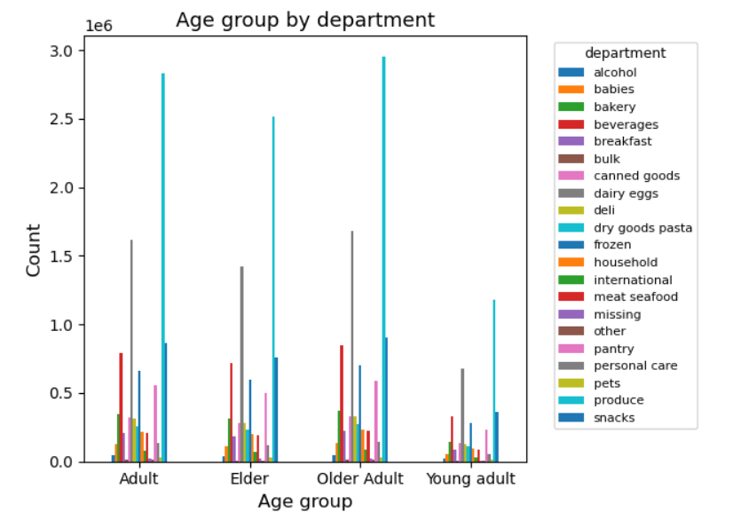
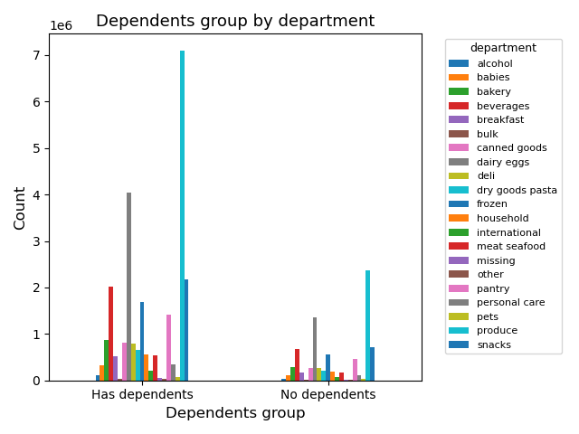
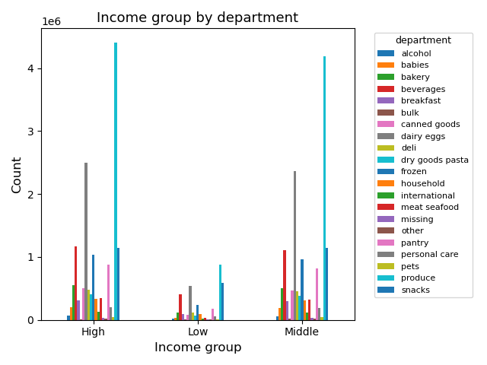
 |  | Title page

Visualisations

In this tab you should include all the visualtions from Exercises 4.9 and 4.10, alongside the questions from the project brief that they answer. Include any commentary on the relationship between different variables.

 | Question:
 | The sales team needs to know what the busiest days of the week and hours of the day are (i.e., the days and times with the most orders) in order to schedule ads at times when there are fewer order

 | Commentary:
 | The histogram shows that in the morning and evening there is a rapid increase and decrease in the volume of sales. The peak of sales is from 10 a.m. to 3 p.m.The busiest day of week is 0 (Saturday)¶


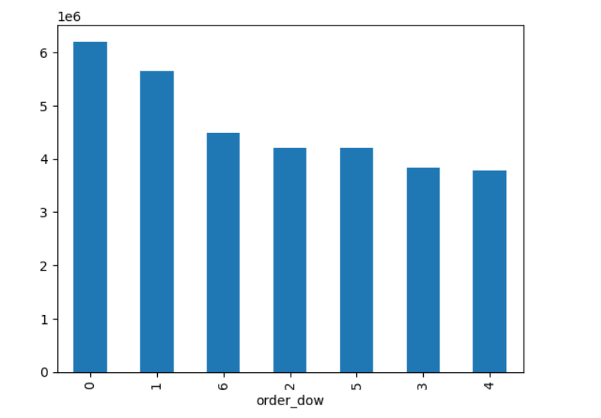

 | Question:
 | They also want to know whether there are particular times of the day when people spend the most money, as this might inform the type of products they advertise at these times

 | Commentary:
A sharp rise, when buyers spend more money, occurs from the morning. somewhere at 2-3 a.m. Then until 5 o'clock in the morning, there is a decline in the spending of customers.
 | During the day, consumer spending fluctuates at approximately the same level, but from 7- 8 p.m., there is an impressive decline.

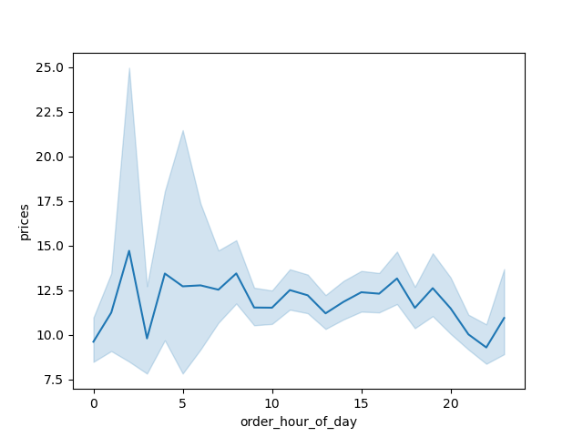

 | Question:
 | Instacart has a lot of products with different price tags. Marketing and sales want to use simpler price range groupings to help direct their efforts.

 | Commentary:
 | It can be seen from the price chart that the largest share of production is occupied by goods with a price of up to 15 dollars. And a very small share is occupied by goods priced from 15 to 25 dollars.



 | Question:
 | Are there certain types of products that are more popular than others? The marketing and sales teams want to know which departments have the highest frequency of product orders.

 | Commentary:
 | The 'produce' department has the highest frequency of sales of product orders.

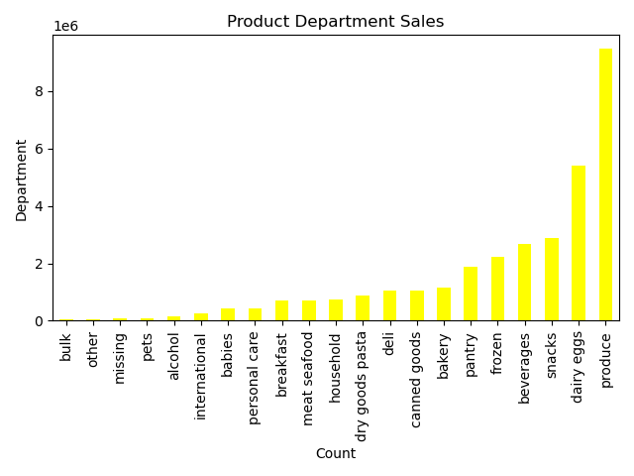

 | Question:
 | What’s the distribution among users in regards to their brand loyalty (i.e., how often do they return to Instacart)?

 | Commentary:
 | The largest share is occupied by regular customers, and the smallest by new ones.


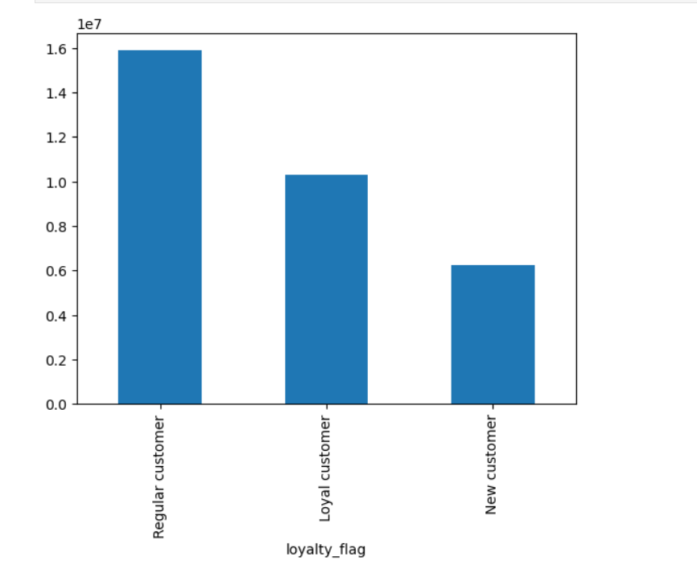

 | Are there differences in ordering habits based on a customer’s loyalty status?

 | Question:
 | Are there differences in ordering habits based on a customer’s region?

 | Commentary:
Looking at the regions, it can be said that the smallest share is made up of young adults, customers who do not have sufficient income (low income) and without dependents.
The most buyers are in the South and the least buyers at Northeast
- Adults and Older adults have the largest and almost equal share of buyers among reagions;
- High and Middle income level group customers have the largest and almost equal share of buyers among reagions;
 | - The largest share of buyers among reagions is occupied by customers who has dependents.

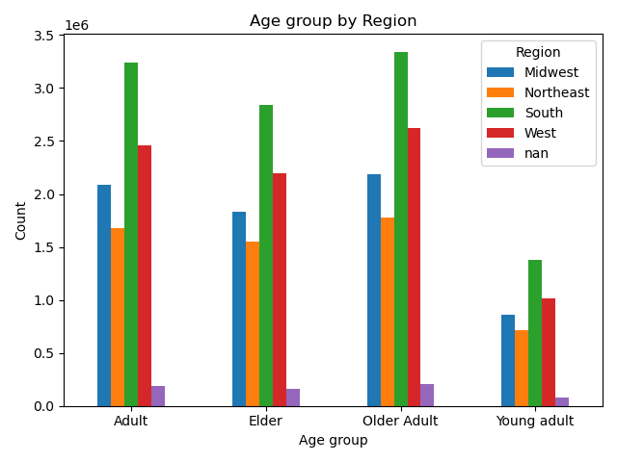
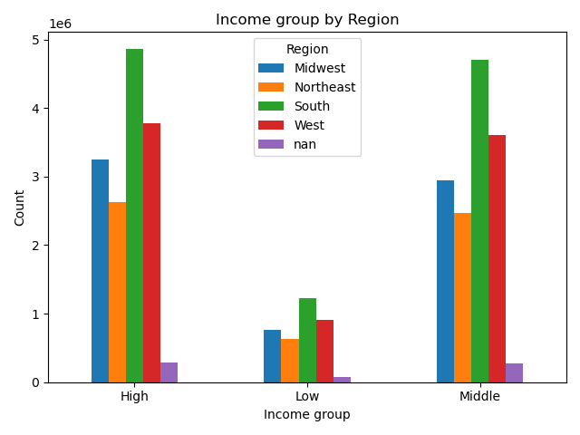
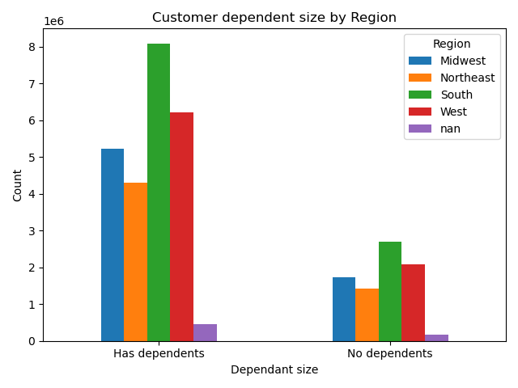

 | Question:
What differences can you find in ordering habits of different customer profiles? Consider the price of orders, the frequency of orders, the products customers are ordering, and anything else you can think of.

 | Commentary:
 | The ordering habits of different consumer profiles by age, number of dependents, and income by department are proportionally the same in shares. |  | The largest share in sales is occupied by departments: produce and dairy eggs. The smallest share in the volume of sales is occupied by the departments: alcohol, bulk, personal care and pets.

7. Recommendations
 |  | Title page

Recommendations

 | Question:
 | The sales team needs to know what the busiest days of the week and hours of the day are (i.e., the days and times with the most orders) in order to schedule ads at times when there are fewer order

 | Commentary:
 | The histogram shows that in the morning and evening there is a rapid increase and decrease in the volume of sales. The peak of sales is from 10 a.m. to 3 p.m.The busiest day of week is 0 (Saturday)¶

 | Recommendation: It is best to advertise on Tuesdays and Wednesdays, when volume of sales is down, and between 3:00 p.m. and 10:00 a.m.

 | Question:
 | They also want to know whether there are particular times of the day when people spend the most money, as this might inform the type of products they advertise at these times

 | Commentary:
A sharp rise, when buyers spend more money, occurs from the morning. somewhere at 2-3 a.m. Then until 5 o'clock in the morning, there is a decline in the spending of customers.
 | During the day, consumer spending fluctuates at approximately the same level, but from 7- 8 p.m., there is an impressive decline.

 | Recommendation: It is better to advertise goods between 3-5 a.m. and after 7-8 p.m that are in use more at morning and evening.

 | Question:
 | Instacart has a lot of products with different price tags. Marketing and sales want to use simpler price range groupings to help direct their efforts.

 | Commentary:
 | It can be seen from the price chart that the largest share of production is occupied by goods with a price of up to 15 dollars. And a very small share is occupied by goods priced from 15 to 25 dollars.

 | Question:
 | Are there certain types of products that are more popular than others? The marketing and sales teams want to know which departments have the highest frequency of product orders.

 | Commentary:
 | The 'produce' department has the highest frequency of product orders.

 | Recommendations: Increase the volume of production to increase sales at departments with the highest frequency of sales, as well as advertising goods from these departments.
 | Regarding the departments that have the lowest frequency of sales - also need advertising and studying the consumer market, if they do not give the desired profitit is necessary to switch to the production of those goods that are more popular.

 | Question:
 | What’s the distribution among users in regards to their brand loyalty (i.e., how often do they return to Instacart)?

 | Commentary:
 | The largest share is occupied by regular customers, and the smallest by new ones.

 | Recommendations: if possible - to create discount programs for Regular customers, so that the share of Loyal customers increases in future.
 | Since the share of regular customers is the largest, and the smallest share is the share of new customers, for which an increase is also required. Perhaps through giving bonuses for first purchases as new customers, as well as through advertising.

 | Question:
 | Are there differences in ordering habits based on a customer’s region?

 | Commentary:
Looking at the regions, it can be said that the smallest share is made up of young adults, customers who do not have sufficient income (low income) and without dependents.
The most buyers are in the South and the least buyers at Northeast
- Adults and Older adults have the largest and almost equal share of buyers among reagions;
- High and Middle income level group customers have the largest and almost equal share of buyers among reagions;
 | - The largest share of buyers among reagions is occupied by customers who has dependents.

 | Recommendations: if it is possible to expand the range of products and incentives for young people, people who have a low level of income, as well as people who do not have dependents.
 | Also expand the consumer market in the regions: Midwest and Northeast.
 | Question:
What differences can you find in ordering habits of different customer profiles? Consider the price of orders, the frequency of orders, the products customers are ordering, and anything else you can think of.

 | Commentary:
 | The ordering habits of different consumer profiles by age, number of dependents, and income by department are proportionally the same in shares.
 | The largest share in sales is occupied by departments: produce and dairy eggs. The smallest share in the volume of sales is occupied by the departments: alcohol, bulk, personal care and pets.

 | Recommendations:

 | Since the shares in purchases between different groups of consumers by departments are almost the same, the recommendation will be to pay attention to the departments that sell the least.
 | And either promote the products or focus more on the departments that bring in more sales.

